SPRING
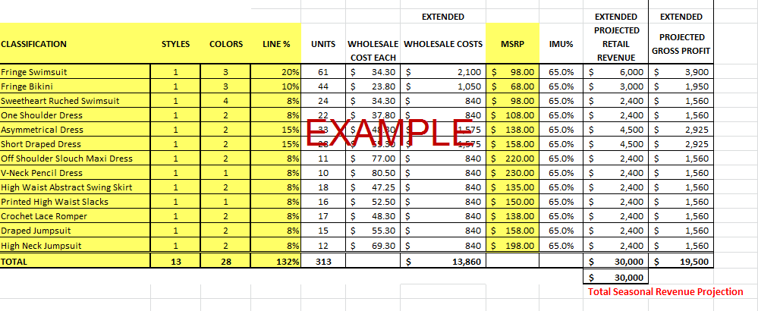
SPRING 2017 PURCHASE PLAN: PET COLLECTION

 |  |  |  |  |  | EXTENDED |  |  | EXTENDED | EXTENDED
CLASSIFICATION | STYLES | COLORS | LINE % | UNITS | WHOLESALE COST EACH | WHOLESALE COSTS | MSRP | IMU% | PROJECTED RETAIL REVENUE | PROJECTED GROSS PROFIT
CLEMENCE PT WALLET | 1 | 2 | 8% | 0 | $241.50 | $- | $690.00 | $0.65 | $- | $-
ZIPPY PT WALLET | 1 | 2 | 5% | 0 | $337.75 | $- | $965.00 | 65.0% | $- | $-
SPEEDY PT HANDBAG | 4 | 2 | 40% | 0 | $388.50 | $- | $1,110.00 | 65.0% | $- | $-
ALMA PT HANDBAG | 3 | 2 | 25% | 0 | $483.00 | $- | $1,380.00 | 65.0% | $- | $-
NEVERFULL PT HANDBAG | 3 | 3 | 15% | 0 | $497.00 | $- | $1,420.00 | 65.0% | $- | $-
ZEPHYR PT LUGGAGE | 2 | 2 | 7% | 0 | $1,386.00 | $- | $3,960.00 | 65.0% | $- | $-
TOTAL | 14 | 13 | 100% | 0 |  | $- |  |  | $- | $-

 |  |  |  |  |  |  |  |  | Total Seasonal Revenue Projection

 |  | EDIT THESE FIELDS
Units = Ext Proj Retail Revenue / MSRP
Wholesale Cost Each = MSRP * REVERSE MU
Extended Wholesale Costs = Est Units x Est Wholesale Cost Each
IMU% = (MSRP- Wholesale Cost) / MSRP
Extended Projected Revenue = % Line Product Category x Total Projected Revenue Dollars
Extended Gross Profit Dollars = Extended Revenue - Ext Whole Sale Cost Each

